Foaie1
1 | 2_3_0 |  |  | Matricea | de | adiacenta
2 | 1_3_4_0 |  | x1 | x2 | x3 | x4 | x5 | x6 | x7 | V1' | C1={V1∩V1'}U{x1}={x1,x2,x3}
3 | 1_2_7_0 | x1 | 0 | 1 | 1 | 0 | 0 | 0 | 0 | 1
4 | 7_0 | x2 | 1 | 0 | 1 | 1 | 0 | 0 | 0 | 1
5 | 1_6_0 | x3 | 1 | 1 | 0 | 0 | 0 | 0 | 1 | 1 |  |  | x1,x2,x3 | x4,x7 | x5,x6
6 | 1_3_5_0 | x4 | 0 | 0 | 0 | 0 | 0 | 0 | 1 | 0 |  |  | C1 | C2 | C3
7 | 4_0 | x5 | 1 | 0 | 0 | 0 | 0 | 1 | 0 | 1 |  | x1 | 1 | 0 | 0
 |  | x6 | 1 | 0 | 1 | 0 | 1 | 0 | 0 | 1 |  | x2 | 1 | 1 | 0
 |  | x7 | 0 | 0 | 0 | 1 | 0 | 0 | 0 | 0 |  | x3 | 1 | 1 | 0
 |  | V1 | 1 | 1 | 1 | 1 | 0 | 0 | 1 |  |  | x4 | 0 | 1 | 0
 |  |  |  |  |  |  |  |  |  |  |  | x5 | 1 | 0 | 1
 |  |  | x4 | x5 | x6 | x7 | V2' | C2={V2∩V2'}U{x4}={x4,x7} |  |  |  | x6 | 1 | 0 | 1
 |  | x4 | 0 | 0 | 0 | 1 | 1 |  |  |  |  | x7 | 0 | 1 | 0
 |  | x5 | 0 | 0 | 1 | 0 | 0
 |  | x6 | 0 | 1 | 0 | 0 | 0
 |  | x7 | 1 | 0 | 0 | 0 | 1 |  |  |  |  |  | C1 | C2 | C3
 |  | V2 | 1 | 0 | 0 | 1 |  |  |  |  |  | C1 | 1 | 1 | 0
 |  |  |  |  |  |  |  |  |  |  |  | C2 | 0 | 1 | 0
 |  |  |  |  |  |  |  |  |  |  |  | C3 | 1 | 0 | 1
 |  |  | x5 | x6 | V3' | C3={V3∩V3'}U{x5}={x5,x6}
 |  | x5 | 0 | 1 | 1
 |  | x6 | 1 | 0 | 1 |  |  |  |  |  |  |  | C1 | C2 | C3 |  | C1 | C2 | C3 | P(Ci)
 |  | V3 | 1 | 1 |  |  |  |  |  |  |  | C1 | 0 | 1 | 0 | C1 | 0 | 1 | 0 | 1
 |  |  |  |  |  |  |  |  |  |  |  | C2 | 0 | 0 | 0 | C2 | 0 | 0 | 0 | 0
 |  |  |  |  |  |  |  |  |  |  |  | C3 | 1 | 0 | 0 | C3 | 1 | 1 | 0 | 2

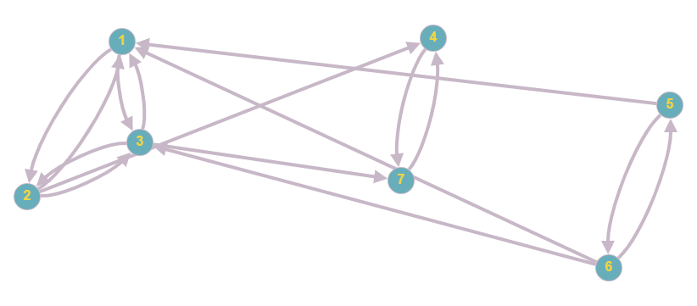
 |  |  |  |  |  |  |  |  |  |  |  |  |  |  |  |  |  | n=3 | n(n-1)/2=3 | ∑P(Ci)=3
 |  |  |  |  |  |  |  |  |  |  |  |  |  |  |  |  |  |  |  | exista drum hamilton

 |  |  |  |  |  |  |  |  |  |  |  |  |  |  |  |  |  | dH*=(C3,C1,C2)

 |  |  |  |  |  |  |  |  |  |  |  |  | dH1=(6,5,1,3,2,4,7)
 |  |  |  |  |  |  |  |  |  |  |  |  | dH2=(5,6,1,2,3,7,4)
 |  |  |  |  |  |  |  |  |  |  |  |  | dH3=(5,6,3,1,2,4,7)
 |  |  |  |  |  |  |  |  |  |  |  |  | dH4=(5,6,1,3,2,4,7)

